Sheet1
 | Test ID | Test Title | Test Instructions/Steps | Test Data | Expected results | Result
 | 1 | Check that POST "create user" method works | Open browser |  | A message "200 OK" will displayed, check the screenshot attached | PASSED
 |  |  | Go to: https://petstore.swagger.io/#/ for documentation | Have POSTMAN Pre-installed on your desktop/ laptop
 |  |  | Open Postman | "id": 33,
 |  |  | Click on workspaces then my worksplace | "username": "Vasile",
 |  |  | Click on import and introduce: https://petstore.swagger.io/v2/swagger.json | "firstName": "Ion",
 |  |  | Click on user in the left of program | "lastName": "Grigore",
 |  |  | Click on "Post Create user" | "email": "Vasileion@gmail.com",
 |  |  | Click on "Body" then" row" and select "JSON" | "password": "Grigore123",
 |  |  | Check if in Swagger in the user section we have the same requirements and if we don't fill them from Swagger and enter them in Postman | "phone": "0722222222",
 |  |  | Delete all string you see without quotation marks and fill in the data as shown in the test data | "userStatus": 0
 |  |  | Press "Send"
 | 2 | Check that GET "find user by username" method works | Open browser |  | A message "200 OK" will displayed, check the screenshot attached | PASSED
 |  |  | Go to: https://petstore.swagger.io/#/ for documentation | Have POSTMAN Pre-installed on your desktop/ laptop
 |  |  | Open Postman | Vasile
 |  |  | Click on workspaces then my worksplace
 |  |  | Click on import and introduce: https://petstore.swagger.io/v2/swagger.json
 |  |  | Click on user in the left of program
 |  |  | Click on {username}
 |  |  | Click on "find user by username"
 |  |  | In {{baseUrl}}/user/:username delete ":username" and introduce "Vasile"
 |  |  | Press "Send"
 | 3 | Check that DEL "delete user" method works | Open browser |  | A message "200 OK" will displayed, check the screenshot attached | PASSED
 |  |  | Go to: https://petstore.swagger.io/#/ for documentation | Have POSTMAN Pre-installed on your desktop/ laptop
 |  |  | Open Postman | Vasile
 |  |  | Click on workspaces then my worksplace
 |  |  | Click on import and introduce: https://petstore.swagger.io/v2/swagger.json
 |  |  | Click on user in the left of program
 |  |  | Click on {username}
 |  |  | Click on "delete user"
 |  |  | In {{baseUrl}}/user/:username delete ":username" and introduce "Vasile"
 |  |  | Press "Send"

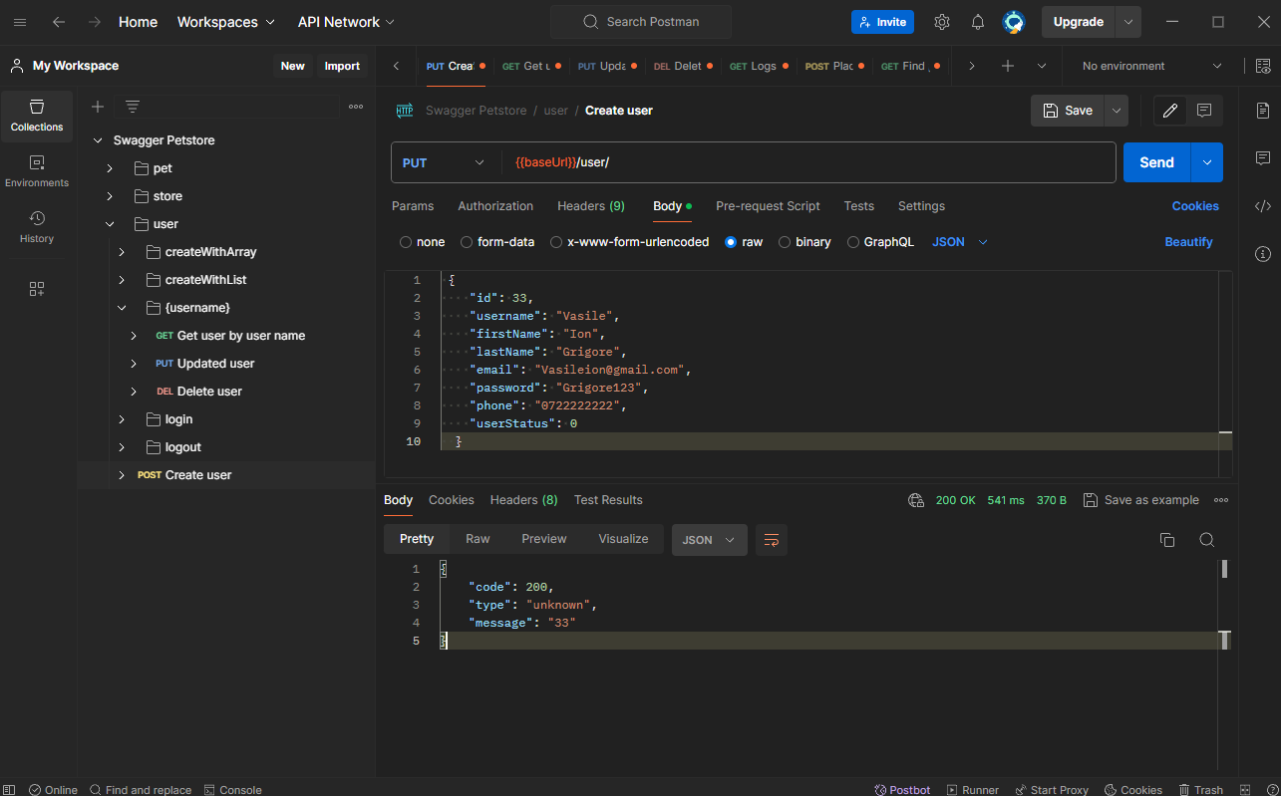 1

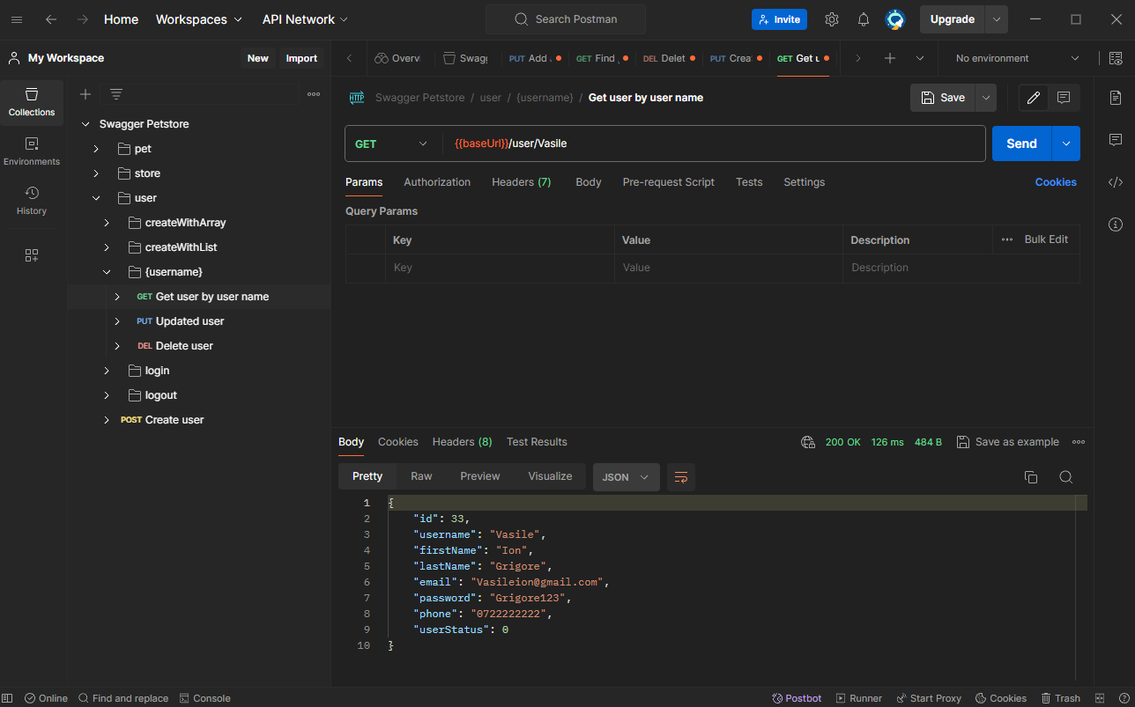 2

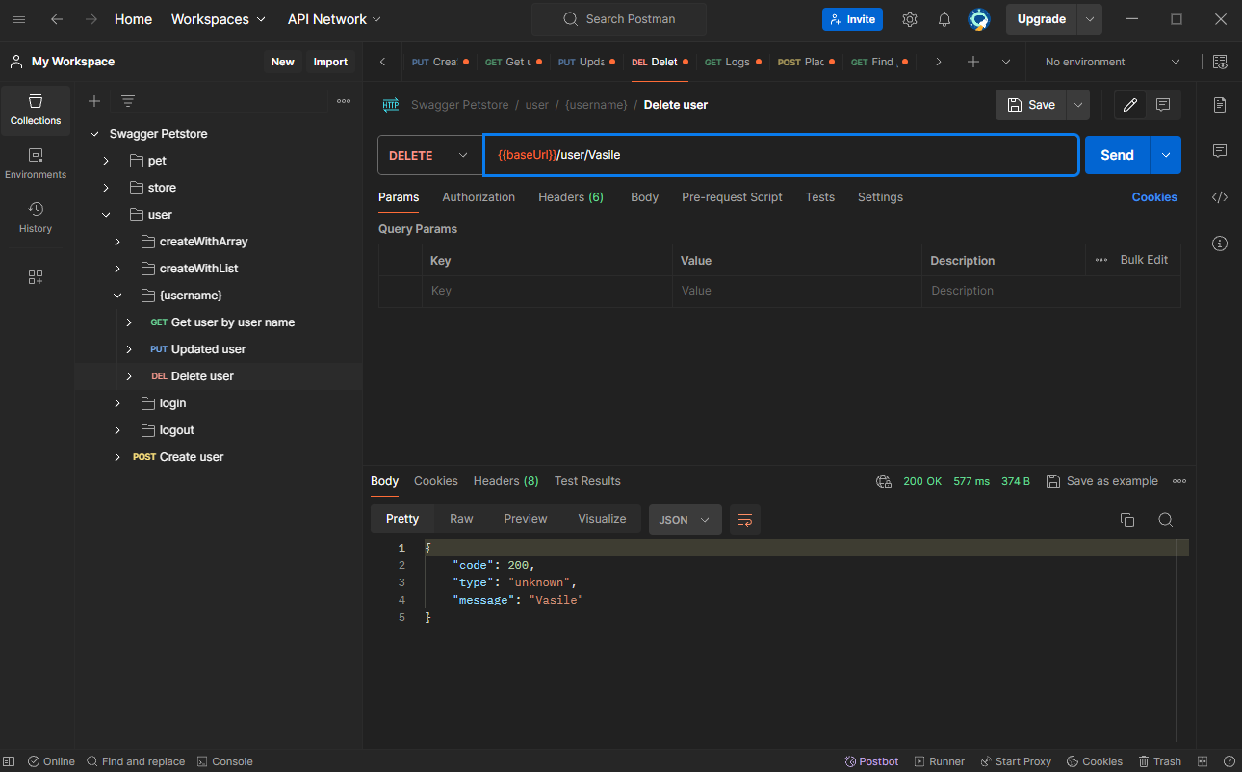
3

